Sheet1
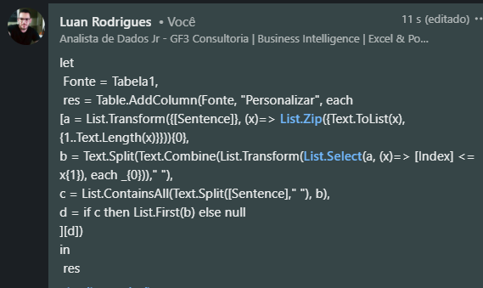
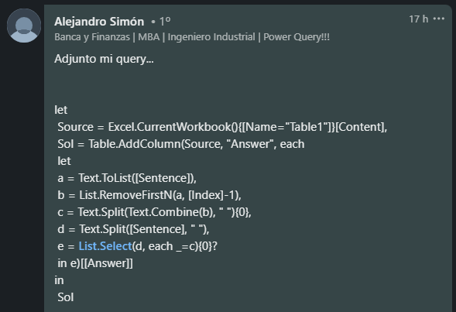
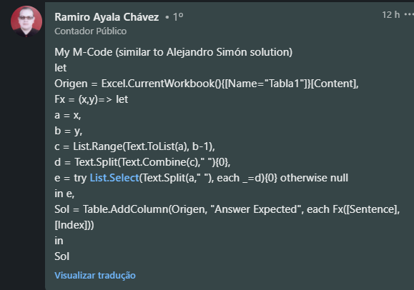
Sentence | Index | Answer Expected
The cat chased the mouse around the house | 9 | chased
She enjoys reading mystery novels in her spare time | 20
The sun sets beautifully over the horizon | 14 | beautifully
Cooking a homemade meal can be both rewarding and relaxing | 30
They went for a hike in the mountains to enjoy the breathtaking views | 17 | hike
Learning a new language requires dedication and practice | 34 | dedication
The children giggled as they played games in the backyard | 46 | the
The artist painted a vivid landscape with vibrant colors | 25
He greeted his old friend with a warm hug and a big smile | 53 | smile

Capture a palavra a partir de determinado índice. O Excel segue a notação do índice 1 e não o índice 0. Ex. Maria tinha um cordeirinho - índice 6 - Resposta é tida índice 7 - Em branco, pois nenhuma palavra começa no índice 7

